Sheet1
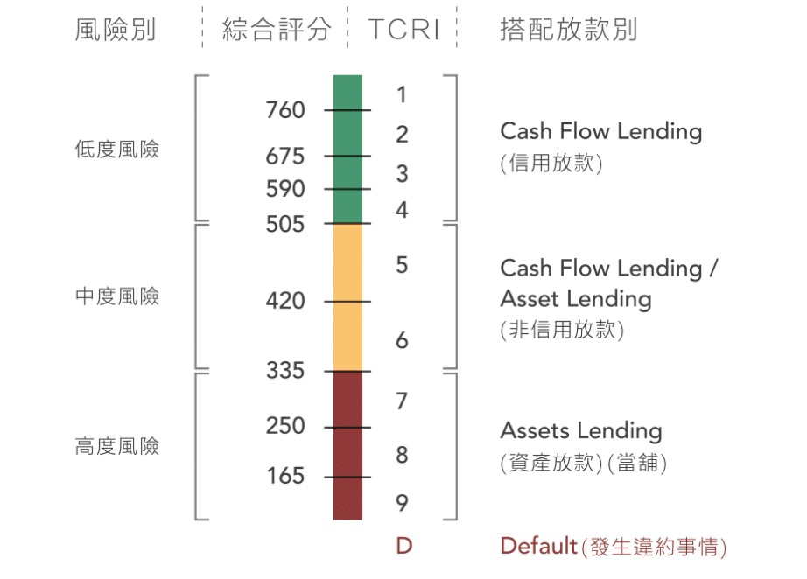
Variable Name | Type | Description
coid | Char | Ticker symbol
mdate | Date | Financial report year and month
tcri | Char | Taiwan Corporate Credit Risk Index (Taiwan public company excluding finance, securities and investment industries)
scr | Decimal | Comprehensive score based on the rating method
xcdt | Char | Companies established less than four years ago or facing financial crisis will be marked

